Q7
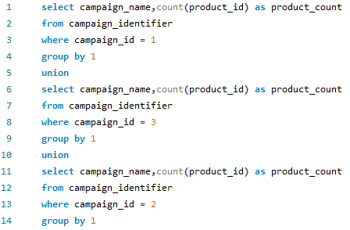
Q | How many products were associated with each of the specified campaigns?
 |  |  | O/P | campaign_name | product_count
 |  |  |  | BOGOF - Fishing For Compliments | 3
 |  |  |  | Half Off - Treat Your Shellf(ish) | 4
Query |  |  |  | 25% Off - Living The Lux Life | 2

 |  | INSIGHT
 |  |  | The "BOGOF - Fishing For Compliments" campaign was associated with 3 products, while the "Half Off - Treat Your Shellf(ish)" campaign had 4 products. Additionally, the "25% Off - Living The Lux Life" campaign was linked with 2 products.

Q8
Q | What is the number of views,cart adds,add to cart but not purchased and purchased in each campaign?

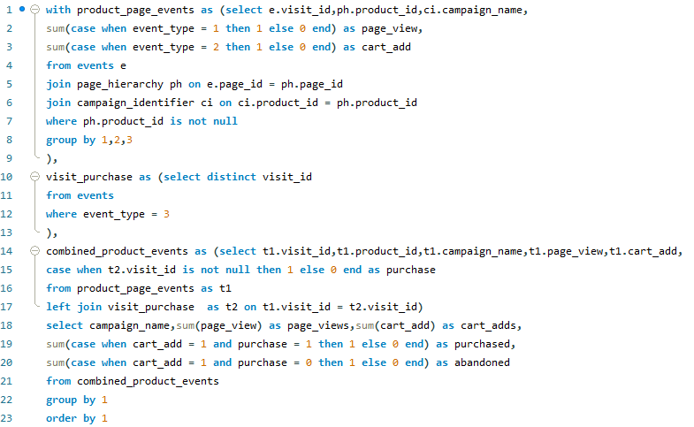
 |  | O/P | campaign_name | page_views | cart_adds | purchased | abandoned
 |  |  | 25% Off - Living The Lux Life | 3032 | 1870 | 1404 | 466
Query |  |  | BOGOF - Fishing For Compliments | 4633 | 2789 | 2115 | 674
 |  |  | Half Off - Treat Your Shellf(ish) | 6204 | 3792 | 2898 | 894

 |  | INSIGHT
 |  |  | Among the analyzed campaigns, "Half Off - Treat Your Shellf(ish)" has the highest engagement across all metrics, with the highest number of page views, cart adds, purchases, and abandoned carts. This indicates strong user interest and activity during the campaign period, suggesting effective promotional strategies or appealing offers associated with Shellfish products.

Q9
Q | What are the conversion rates for add-to-cart-to-purchase, page-view-to-purchase, page-view-to-cart-add and cart add to abandoned for each campaign?

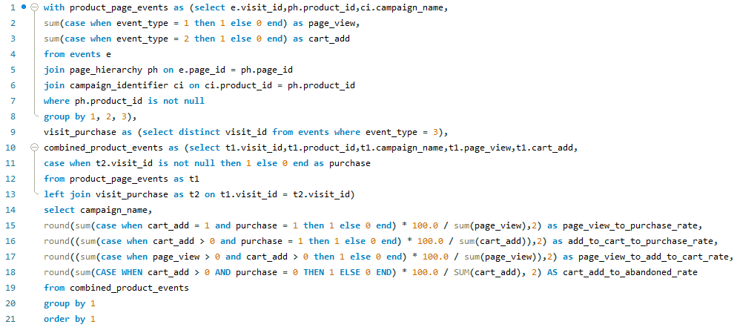
 |  | O/P | campaign_name | page_view_to_purchase_rate | add_to_cart_to_purchase_rate | page_view_to_add_to_cart_rate | cart_add_to_abandoned_rate
Query |  |  | 25% Off - Living The Lux Life | 46.31 | 75.08 | 61.68 | 24.92
 |  |  | BOGOF - Fishing For Compliments | 45.65 | 75.83 | 60.20 | 24.17
 |  |  | Half Off - Treat Your Shellf(ish) | 46.71 | 76.42 | 61.12 | 23.58

 |  | INSIGHT
 |  | The campaigns "25% Off - Living The Lux Life," "BOGOF - Fishing For Compliments," and "Half Off - Treat Your Shellf(ish)" demonstrate comparable conversion rates across different stages of the user journey. However, "Half Off - Treat Your Shellf(ish)" stands out with a slightly higher page view to purchase rate and a lower cart add to abandoned rate, indicating better user engagement and conversion efficiency compared to the other campaigns.

Q12
Q) | What is the Abandoned Rate Of Product in Each Campaign?
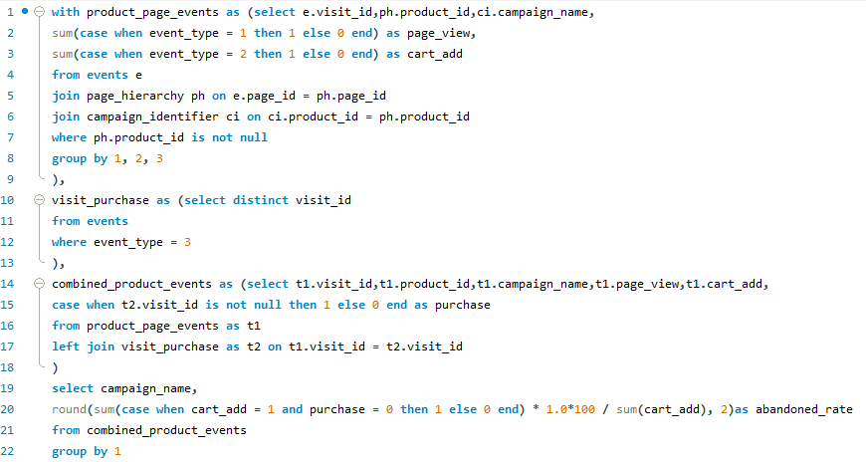
 |  | O/P | campaign_name | abandoned_rate
QUERY |  |  | 25% Off - Living The Lux Life | 24.92
 |  |  | Half Off - Treat Your Shellf(ish) | 23.58
 |  |  | BOGOF - Fishing For Compliments | 24.17

 |  | INSIGHT

 |  | The abandoned rate of products in each campaign reflects the proportion of cart additions that were not converted into purchases. Campaign "25% Off - Living The Lux Life" has the highest abandoned rate at 24.92%, followed by "BOGOF - Fishing For Compliments" at 24.17% and "Half Off - Treat Your Shellf(ish)" at 23.58%. These insights suggest potential areas for optimizing the conversion funnel to reduce cart abandonment and improve overall campaign performance.

